case_0
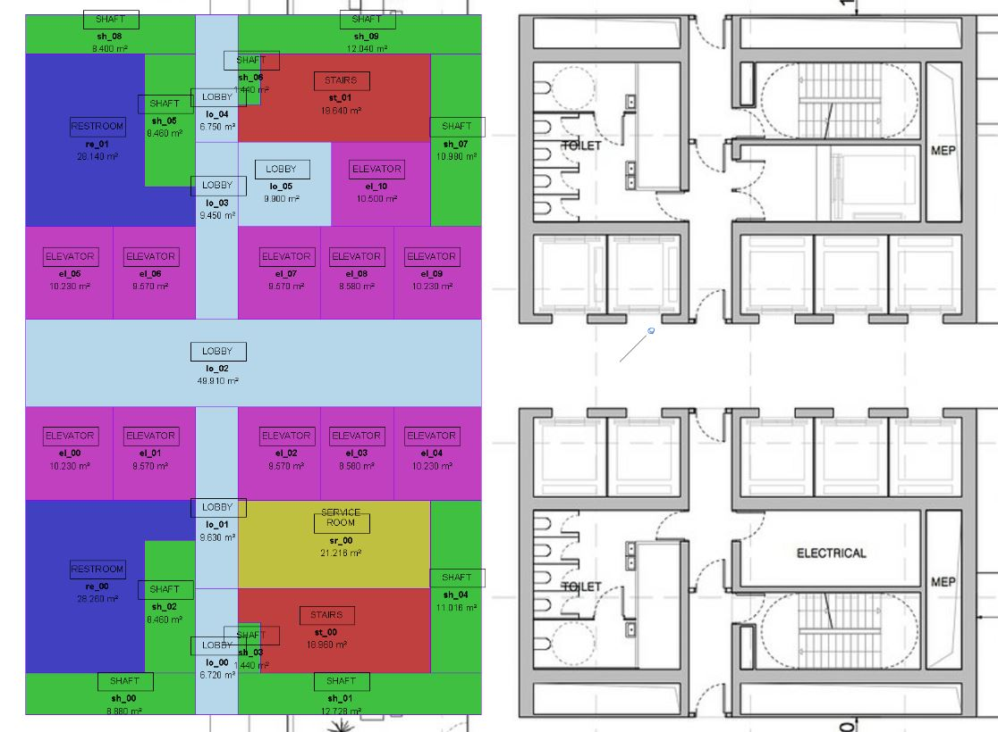
BIG Designs New Tower for Fankfurt

obj_id | type | area | Dim_H | DIM_V | convex_aspect_ratio (H vs V) | adjacency_boolean ??? | adjacency_obj_id | adjacency_type | case_id
el_00 | elevator | 10.230 | 3.100 | 3.300 | 0.939 |  | lo_02, el_06, re_01 | door, wall, wall | 0
el_01 | elevator | 9.570 | 2.900 | 3.300 | 0.879 |  | lo_02, lo_03, re_01, el_05 | door, walll, wall, wall | 0
el_02 | elevator | 9.570 | 2.900 | 3.300 | 0.879 |  | lo_02, el_08, lo_05, lo_03 | door, walll, wall, wall | 0
el_03 | elevator | 5.580 | 2.600 | 3.300 | 0.788 |  | lo_02, el_09, el_10, lo_05, el_07 | door, walll, wall, wall, wall | 0
el_04 | elevator | 10.230 | 3.100 | 3.300 | 0.939 |  | lo_02, sh_07, el_10, el_08 | door, walll, wall, wall | 0
el_05 | elevator | 10.230 | 3.100 | 3.300 | 0.939 |  | re_00, el_01, lo_02 | wall, wall, door | 0
el_06 | elevator | 9.570 | 2.900 | 3.300 | 0.879 |  | re_00, lo_01, lo_02, el_00 | wall, wall,door, wall | 0
el_07 | elevator | 9.570 | 2.900 | 3.300 | 0.879 |  | sr_00, el_03, lo_02, lo_01 | wall, wall,door, wall | 0
el_08 | elevator | 5.580 | 2.600 | 3.300 | 0.788 |  | sr_00, el_04, lo_02, el_02 | wall, wall,door, wall | 0
el_09 | elevator | 10.230 | 3.100 | 3.300 | 0.939 |  | sr_00, sh_04, lo_02,el_03 | wall, wall,door, wall | 0
el_10 | elevator | 10.500 | 3.500 | 3.000 | 1.167 |  | el_08, el_09, sh_07, st_01, lo_05 | wall, wall, wall, wall, door | 0
lo_00 | lobby | 6.720 | 1.500 | 4.480 | 0.335 |  | lo_02, el_07, lo_05, lo_04, sh_05, re_01, el_06 | door, wall, door, door, wall, door, wall | 0
lo_01 | lobby | 9.630 | 1.500 | 6.420 | 0.234 |  | el_07, el_08, el_10, st_10, lo_03 | wall, wall, wall, wall, door | 0
lo_02 | lobby | 49.910 | 16.100 | 3.100 | 5.194 |  | el_00, el_01, lo_01, el_02, el_03, el_04, el_05, el_06, lo_03, el_07, el_08, el_09 | door, door, door, door, door, door, door, door, door, door, door, door | 0
lo_03 | lobby | 9.450 | 1.500 | 6.300 | 0.238 |  | lo_00, sr_00, el_02, lo_02, el_01, re_00, sh_02 | door, door, wall, door, wall, door, wall | 0
lo_04 | lobby | 6.750 | 1.500 | 4.500 | 0.333 |  | sh_01, sh_03, st_00, lo_01, sh_02, sh_00 | wall, wall, door, door, wall, wall, | 0
lo_05 | lobby | 9.900 | 3.300 | 3.000 | 1.100 |  | lo_03, st_01, sh_06, sh_09, sh_08, sh_05 | door, door, wall, wall, wall, wall | 0
re_00 | restroom | 28.260 | 6.000 | 6.120 | 0.980 |  | el_05, el_06, lo_03, sh_05, sh_06 | wall, wall, door, wall, wall | 0
re_01 | restroom | 28.140 | 6.000 | 6.100 | 0.984 |  | sh_00, sh_02, lo_01, el_01, el_00 | wall, wall, door, wall, wall | 0
sr_00 | service | 21.216 | 6.800 | 3.120 | 2.179 |  | st_00, sh_04, el_04, el_03, el_02, lo_01 | wall, wall, wall, wall, wall, door | 0
sh_00 | shaft | 8.880 | 6.000 | 1.480 | 4.054 |  | re_01, sh_05, lo_04 | wall, wall, wall | 0
sh_01 | shaft | 12.728 | 8.600 | 1.480 | 5.811 |  | re_01, lo_03, lo_04, sh_08 | wall, wall, wall, wall | 0
sh_02 | shaft | 8.460 | 1.800 | 4.700 | 0.383 |  | sh_06, st_01, sh_07, lo_04 | wall, wall, wall, wall | 0
sh_03 | shaft | 1.440 | 0.800 | 1.800 | 0.444 |  | st_01, sh_09, lo_04 | wall, wall, wall | 0
sh_04 | shaft | 11.016 | 1.800 | 6.120 | 0.294 |  | el_09_sh_09, st_01, el_10 | wall, wall, wall, wall | 0
sh_05 | shaft | 8.460 | 1.800 | 4.700 | 0.383 |  | sh_00, lo_00, lo_01, re_00 | wall, wall, wall, wall | 0
sh_06 | shaft | 1.440 | 0.800 | 1.800 | 0.444 |  | sh_01, st_00, lo_00 | wall, wall, wall | 0
sh_07 | shaft | 10.980 | 1.800 | 6.100 | 0.295 |  | sh_01, el_04, sr_00, st_00 | wall, wall, wall, wall | 0
sh_08 | shaft | 8.400 | 6.000 | 1.400 | 4.286 |  | lo_00, sh_02, re_00 | wall, wall, wall | 0
sh_09 | shaft | 12.040 | 8.600 | 1.400 | 6.143 |  | sh_04, st_00, sh_03, lo_00 | wall, wall, wall, wall ,wall | 0
st_00 | stair | 18.960 | 6.800 | 3.000 | 2.267 |  | lo_05, el_10, sh_07, sh_09, sh_06, lo_04 | wall, wall, wall, wall, wall, door | 0
st_01 | stair | 19.640 | 6.800 | 3.100 | 2.194 |  | sh_01, sh_04, sr_00, lo_00, sh_03 | wall, wall, wall, door, wall | 0

